1
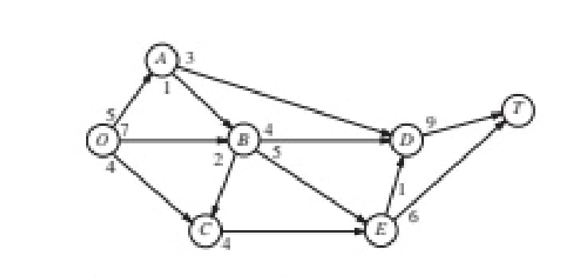
 |  |  |  | PRACTICAL - 5
 |  |  |  | Maximum Flow Problem

 | From | To | Flow |  | Capacity | Nodes | NetFlow |  | Supply/Demand
 | O | A | 3 | <= | 5 | O | 14 | = | 0
Name -Riya Tomar | O | B | 7 | <= | 7 | A | 0 | = | 0
Course -Bsc Computer Science(hons.) | O | C | 4 | <= | 4 | B | 0 | = | 0
Roll No. - 20231437 | A | B | 0 | <= | 1 | C | 0 | = | 0
 | A | D | 3 | <= | 3 | D | 0 | = | 0
 | B | C | 0 | <= | 2 | E | 0 | = | 0
Question - 1 | B | D | 4 | <= | 4 | T | -14 | = | 0
 | B | E | 3 | <= | 5
 | C | E | 4 | <= | 4
 | D | T | 8 | <= | 9
 | E | D | 1 | <= | 1
 | E | T | 6 | <= | 6
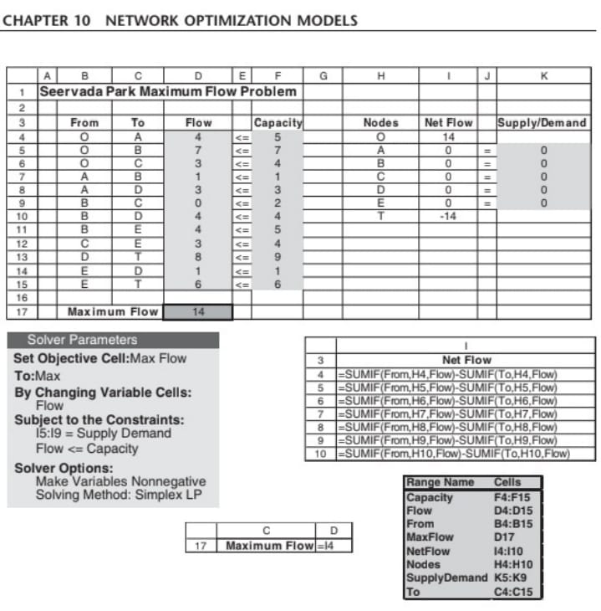
 | MAXIMUM FLOW |  | 14

2
 |  |  |  |  | PRACTICAL - 5
 |  |  |  |  | Maximum Flow Problem

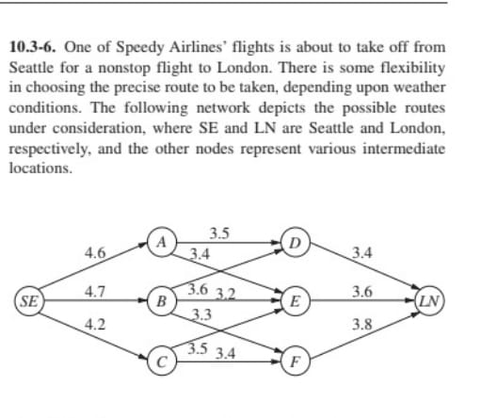
 | From | To | Flow |  | Capacity | Nodes | NetFlow |  | Supply/Demand
 | SE | A | 4.6 | <= | 4.6 | SE | 10.8
 | SE | B | 2 | <= | 4.7 | A | 0 | = | 0
Name -Riya Tomar | SE | C | 4.2 | <= | 4.2 | B | 0 | = | 0
Course -Bsc Computer Science(hons.) | A | D | 1.8 | <= | 3.5 | C | 0 | = | 0
Roll No. - 20231437 | A | E | 2.8 | <= | 3.4 | D | 0 | = | 0
 | B | D | 1.6 | <= | 3.6 | E | 0 | = | 0
 | B | E | 0 | <= | 3.2 | F | 0 | = | 0
Question - 2 | B | F | 0.4 | <= | 3.3 | LN | -10.8
 | C | E | 0.8 | <= | 3.5
 | C | F | 3.4 | <= | 3.4
 | D | LN | 3.4 | <= | 3.4
 | E | LN | 3.6 | <= | 3.6
 | F | LN | 3.8 | <= | 3.8

 | MAXIMUM FLOW |  | 10.8

3
 |  |  |  | PRACTICAL - 5
 |  |  |  | Maximum Flow Problem

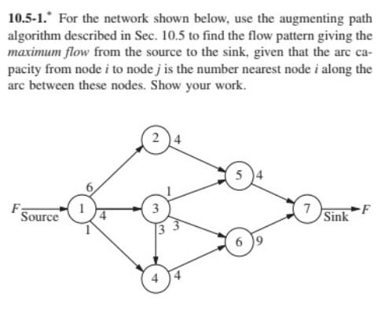
 | From | To | Flow |  | Capacity | Nodes | NetFlow |  | Supply/Demand
 | 1 | 2 | 4 | <= | 6 | 1 | 9
Name -Riya Tomar | 1 | 3 | 4 | <= | 4 | 2 | 0 | = | 0
Course -Bsc Computer Science(hons.) | 1 | 4 | 1 | <= | 1 | 3 | 0 | = | 0
Roll No. - 20231437 | 2 | 5 | 4 | <= | 4 | 4 | 0 | = | 0
 | 3 | 5 | 0 | <= | 1 | 5 | 0 | = | 0
 | 3 | 6 | 1 | <= | 3 | 6 | 0 | = | 0
Question - 3 | 3 | 4 | 3 | <= | 3 | 7 | -9
 | 4 | 6 | 4 | <= | 4
 | 5 | 7 | 4 | <= | 4
 | 6 | 7 | 5 | <= | 9

 | MAXIMUM FLOW |  | 9

4
 |  |  |  | PRACTICAL - 5
 |  |  |  | Maximum Flow Problem

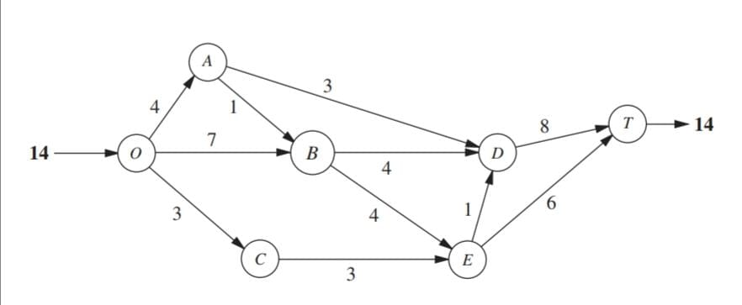
 | From | To | Flow |  | Capacity | Nodes | NetFlow |  | Supply/Demand
 | O | A | 4 | <= | 4 | O | 14
Name -Riya Tomar | O | B | 7 | <= | 7 | A | 0 | = | 0
Course -Bsc Computer Science(hons.) | O | C | 3 | <= | 3 | B | 0 | = | 0
Roll No. - 20231437 | A | B | 1 | <= | 1 | C | 0 | = | 0
 | A | D | 3 | <= | 3 | D | 0 | = | 0
 | B | D | 4 | <= | 4 | E | 0 | = | 0
Question - 4 | B | E | 4 | <= | 4 | T | -14
 | C | E | 3 | <= | 3
 | D | T | 8 | <= | 8
 | E | D | 1 | <= | 1
 | E | T | 6 | <= | 6

 | MAXIMUM FLOW |  | 14

